Q.C. LA-ICP-MS
Session 1 - Sample AF20-04
Secondary Check
Default Accuracy Alarm Value | 5
Default Accuracy Warning Value | 10
Default Variation Alarm Value | 30
Default Variation Warning Value | 25
MaskBelowLOD | true
RefMat | G_NIST610
exceptions | { }
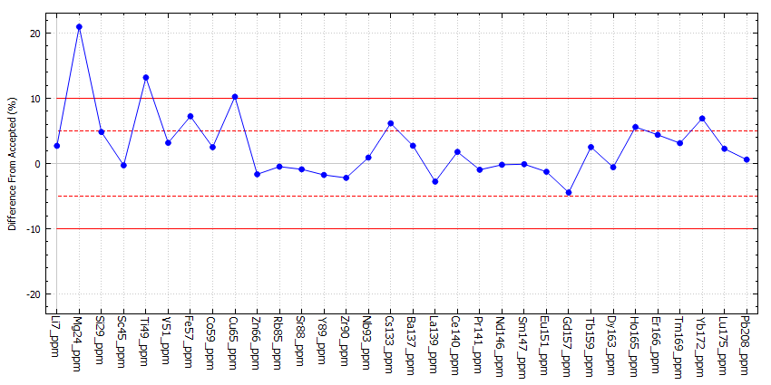
Channel | Element | Measured | Accepted | % Diff | Variation (%RSD) | Minimum | Maximum | &#60; LOD | Calibrant
Li7_ppm | Li | 480.998 | 468 | 2.78 | 7.02 | 455.546 | 502.936 | No | G_NIST612
Mg24_ppm | Mg | 524.587 | 432 | 21.43 | 4.39 | 513.863 | 539.336 | No | G_NIST612
Si29_ppm | Si | 341104 | 327180 | 4.26 | 7.82 | 327084 | 363825 | No | G_NIST612
Sc45_ppm | Sc | 450.739 | 455 | -0.94 | 4.34 | 442.177 | 466.527 | No | G_NIST612
Ti49_ppm | Ti | 518.026 | 452 | 14.61 | 17.45 | 446.327 | 569.831 | No | G_NIST612
V51_ppm | V | 464.36 | 450 | 3.19 | 8.25 | 448.565 | 501.097 | No | G_NIST612
Fe57_ppm | Fe | 495.928 | 458 | 8.28 | 16.86 | 442.182 | 535.776 | No | G_NIST612
Co59_ppm | Co | 422.663 | 410 | 3.09 | 8.85 | 402.64 | 455.654 | No | G_NIST612
Cu65_ppm | Cu | 487.472 | 441 | 10.54 | 25.5 | 400.673 | 574.908 | No | G_NIST612
Zn66_ppm | Zn | 454.039 | 460 | -1.3 | 8.13 | 420.452 | 472.565 | No | G_NIST612
Rb85_ppm | Rb | 413.655 | 425.7 | -2.83 | 16.42 | 373.451 | 463.803 | No | G_NIST612
Sr88_ppm | Sr | 511.235 | 515.5 | -0.83 | 6.84 | 487.117 | 533.799 | No | G_NIST612
Y89_ppm | Y | 452.755 | 462 | -2 | 3.38 | 438.523 | 459.635 | No | G_NIST612
Zr90_ppm | Zr | 437.938 | 448 | -2.25 | 3.27 | 424.522 | 444.794 | No | G_NIST612
Nb93_ppm | Nb | 466.287 | 465 | 0.28 | 5.76 | 453.173 | 486.948 | No | G_NIST612
Cs133_ppm | Cs | 385.522 | 366 | 5.33 | 15.25 | 351.14 | 420.891 | No | G_NIST612
Ba137_ppm | Ba | 459.724 | 452 | 1.71 | 4.54 | 445.616 | 472.459 | No | G_NIST612
La139_ppm | La | 426.359 | 440 | -3.1 | 4.89 | 417.74 | 446.36 | No | G_NIST612
Ce140_ppm | Ce | 459.881 | 453 | 1.52 | 4.45 | 449.295 | 475.068 | No | G_NIST612
Pr141_ppm | Pr | 441.596 | 448 | -1.43 | 5.9 | 423.782 | 457.665 | No | G_NIST612
Nd146_ppm | Nd | 430.863 | 430 | 0.2 | 7.53 | 413.244 | 454.166 | No | G_NIST612
Sm147_ppm | Sm | 452.646 | 453 | -0.08 | 6.48 | 436.829 | 471.692 | No | G_NIST612
Eu151_ppm | Eu | 443.469 | 447 | -0.79 | 7.33 | 418.716 | 468.458 | No | G_NIST612
Gd157_ppm | Gd | 430.279 | 449 | -4.17 | 5.51 | 411.588 | 443.004 | No | G_NIST612
Tb159_ppm | Tb | 449.822 | 437 | 2.93 | 6.97 | 423.413 | 469.269 | No | G_NIST612
Dy163_ppm | Dy | 435.435 | 437 | -0.36 | 5.06 | 424.895 | 452.213 | No | G_NIST612
Ho165_ppm | Ho | 472.576 | 449 | 5.25 | 5.08 | 455.194 | 491.407 | No | G_NIST612
Er166_ppm | Er | 474.184 | 455 | 4.22 | 6.29 | 453.879 | 494.096 | No | G_NIST612
Tm169_ppm | Tm | 450.025 | 435 | 3.45 | 4.32 | 440.97 | 464.741 | No | G_NIST612
Yb172_ppm | Yb | nan | 450 | nan | nan | nan | nan | No | G_NIST612
Lu175_ppm | Lu | 451.854 | 439 | 2.93 | 8.14 | 429.141 | 479.73 | No | G_NIST612
Pb208_ppm | Pb | 431.383 | 426 | 1.26 | 6.81 | 414.479 | 456.055 | No | G_NIST612

Session 2 - Sample AF20-12
Secondary Check
Default Accuracy Alarm Value | 10
Default Accuracy Warning Value | 5
Default Variation Alarm Value | 30
Default Variation Warning Value | 25
MaskBelowLOD | true
RefMat | G_NIST610
exceptions | { }
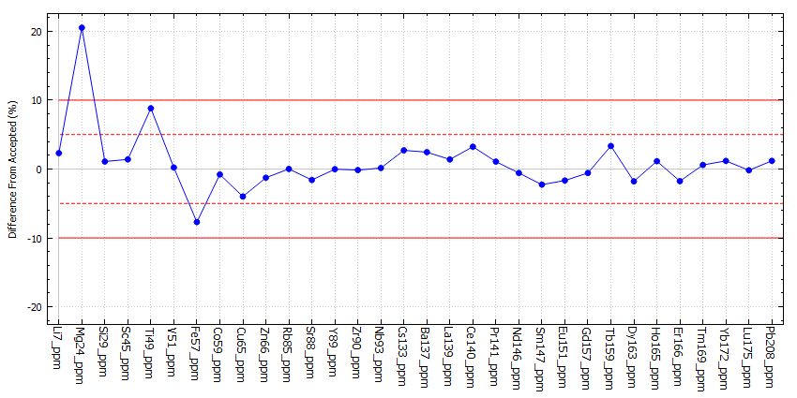
Channel | Element | Measured | Accepted | % Diff | Variation (%RSD) | Minimum | Maximum | &#60; LOD | Calibrant
Li7_ppm | Li | 478.796 | 468 | 2.31 | 2.8 | 468.033 | 489.606 | No | G_NIST612
Mg24_ppm | Mg | 520.658 | 432 | 20.52 | 5.21 | 507.462 | 537.672 | No | G_NIST612
Si29_ppm | Si | 330741 | 327180 | 1.09 | 4.21 | 324473 | 346153 | No | G_NIST612
Sc45_ppm | Sc | 461.367 | 455 | 1.4 | 4.59 | 448.167 | 477.211 | No | G_NIST612
Ti49_ppm | Ti | 491.859 | 452 | 8.82 | 5.64 | 471.204 | 513.059 | No | G_NIST612
V51_ppm | V | 450.98 | 450 | 0.22 | 5.15 | 433.663 | 467.387 | No | G_NIST612
Fe57_ppm | Fe | 422.698 | 458 | -7.71 | 14.27 | 369.825 | 459.644 | No | G_NIST612
Co59_ppm | Co | 406.77 | 410 | -0.79 | 5.66 | 390.197 | 420.391 | No | G_NIST612
Cu65_ppm | Cu | 423.391 | 441 | -3.99 | 18.52 | 377.371 | 496.139 | No | G_NIST612
Zn66_ppm | Zn | 454.18 | 460 | -1.27 | 7.83 | 423.815 | 482.145 | No | G_NIST612
Rb85_ppm | Rb | 425.747 | 425.7 | 0.01 | 13.4 | 379.649 | 468.272 | No | G_NIST612
Sr88_ppm | Sr | 507.295 | 515.5 | -1.59 | 10.98 | 453.219 | 534.762 | No | G_NIST612
Y89_ppm | Y | 461.898 | 462 | -0.02 | 10.43 | 421.07 | 499.466 | No | G_NIST612
Zr90_ppm | Zr | 447.312 | 448 | -0.15 | 9.12 | 401.721 | 466.692 | No | G_NIST612
Nb93_ppm | Nb | 465.673 | 465 | 0.14 | 8.28 | 431.408 | 482.751 | No | G_NIST612
Cs133_ppm | Cs | 375.923 | 366 | 2.71 | 7.59 | 352.519 | 388.618 | No | G_NIST612
Ba137_ppm | Ba | 463.064 | 452 | 2.45 | 10.27 | 428.659 | 499.479 | No | G_NIST612
La139_ppm | La | 446.111 | 440 | 1.39 | 7.16 | 419.787 | 465.122 | No | G_NIST612
Ce140_ppm | Ce | 467.672 | 453 | 3.24 | 7.12 | 446.55 | 492.962 | No | G_NIST612
Pr141_ppm | Pr | 452.831 | 448 | 1.08 | 8.32 | 432.653 | 484.472 | No | G_NIST612
Nd146_ppm | Nd | 427.52 | 430 | -0.58 | 9.6 | 393.417 | 453.28 | No | G_NIST612
Sm147_ppm | Sm | 442.725 | 453 | -2.27 | 2.88 | 433.155 | 452.663 | No | G_NIST612
Eu151_ppm | Eu | 439.541 | 447 | -1.67 | 6.94 | 413.599 | 464.903 | No | G_NIST612
Gd157_ppm | Gd | 446.417 | 449 | -0.58 | 3.63 | 435.919 | 459.075 | No | G_NIST612
Tb159_ppm | Tb | 451.625 | 437 | 3.35 | 9.35 | 434.562 | 488.45 | No | G_NIST612
Dy163_ppm | Dy | 429.182 | 437 | -1.79 | 12.53 | 403.076 | 473.607 | No | G_NIST612
Ho165_ppm | Ho | 454.11 | 449 | 1.14 | 13.71 | 425.02 | 507.299 | No | G_NIST612
Er166_ppm | Er | 446.99 | 455 | -1.76 | 9.11 | 422.392 | 485.776 | No | G_NIST612
Tm169_ppm | Tm | 437.568 | 435 | 0.59 | 10.86 | 411.157 | 483.129 | No | G_NIST612
Yb172_ppm | Yb | 455.324 | 450 | 1.18 | 6.76 | 426.793 | 476.207 | No | G_NIST612
Lu175_ppm | Lu | 438.193 | 439 | -0.18 | 6.85 | 421.444 | 466.902 | No | G_NIST612
Pb208_ppm | Pb | 431.051 | 426 | 1.19 | 4.21 | 420.726 | 445.421 | No | G_NIST612

Session 3 - Sample AF20-25, AF20-46 & Z131
Secondary Check
Default Accuracy Alarm Value | 10
Default Accuracy Warning Value | 5
Default Variation Alarm Value | 30
Default Variation Warning Value | 25
MaskBelowLOD | true
RefMat | G_NIST610
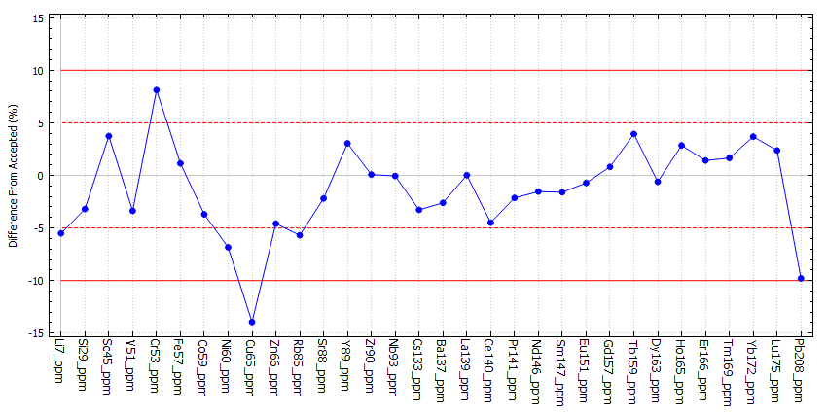
exceptions | { }
Channel | Element | Measured | Accepted | % Diff | Variation (%RSD) | Minimum | Maximum | &#60; LOD | Calibrant
Li7_ppm | Li | 442.208 | 468 | -5.51 | 6.16 | 418.596 | 456.048 | No | G_NIST612
Si29_ppm | Si | 316702 | 327180 | -3.2 | 4.31 | 305503 | 328849 | No | G_NIST612
Sc45_ppm | Sc | 472.005 | 455 | 3.74 | 3.33 | 460.579 | 487.825 | No | G_NIST612
V51_ppm | V | 434.801 | 450 | -3.38 | 6.24 | 410.245 | 451.228 | No | G_NIST612
Cr53_ppm | Cr | 441.087 | 408 | 8.11 | 12.89 | 404.352 | 480.551 | No | G_NIST612
Fe57_ppm | Fe | 463.238 | 458 | 1.14 | 30.48 | 337.558 | 554.37 | No | G_NIST612
Co59_ppm | Co | 394.822 | 410 | -3.7 | 5.53 | 381.453 | 412.818 | No | G_NIST612
Ni60_ppm | Ni | 427.309 | 458.7 | -6.84 | 5.36 | 409.277 | 448.777 | No | G_NIST612
Cu65_ppm | Cu | 379.494 | 441 | -13.95 | 6.89 | 363.525 | 405.914 | No | G_NIST612
Zn66_ppm | Zn | 438.896 | 460 | -4.59 | 6.66 | 413.529 | 460.678 | No | G_NIST612
Rb85_ppm | Rb | 401.445 | 425.7 | -5.7 | 4.13 | 391.095 | 411.808 | No | G_NIST612
Sr88_ppm | Sr | 504.18 | 515.5 | -2.2 | 3.11 | 488.062 | 513.797 | No | G_NIST612
Y89_ppm | Y | 476.057 | 462 | 3.04 | 5.1 | 462.252 | 492.393 | No | G_NIST612
Zr90_ppm | Zr | 448.343 | 448 | 0.08 | 6.81 | 409.717 | 461.77 | No | G_NIST612
Nb93_ppm | Nb | 464.72 | 465 | -0.06 | 4.61 | 446.609 | 477.059 | No | G_NIST612
Cs133_ppm | Cs | 353.993 | 366 | -3.28 | 4.59 | 344.347 | 366.159 | No | G_NIST612
Ba137_ppm | Ba | 440.205 | 452 | -2.61 | 3.74 | 431.752 | 454.273 | No | G_NIST612
La139_ppm | La | 440.087 | 440 | 0.02 | 5.21 | 423.512 | 456.664 | No | G_NIST612
Ce140_ppm | Ce | 432.645 | 453 | -4.49 | 4.83 | 415.103 | 445.909 | No | G_NIST612
Pr141_ppm | Pr | 438.402 | 448 | -2.14 | 3.62 | 427.916 | 449.464 | No | G_NIST612
Nd146_ppm | Nd | 423.361 | 430 | -1.54 | 4.65 | 406.973 | 433.804 | No | G_NIST612
Sm147_ppm | Sm | 445.752 | 453 | -1.6 | 4.29 | 431.079 | 463.564 | No | G_NIST612
Eu151_ppm | Eu | 443.773 | 447 | -0.72 | 2.75 | 435.681 | 456.378 | No | G_NIST612
Gd157_ppm | Gd | 452.644 | 449 | 0.81 | 3.46 | 439.308 | 462.09 | No | G_NIST612
Tb159_ppm | Tb | 454.201 | 437 | 3.94 | 2.65 | 446.725 | 469.562 | No | G_NIST612
Dy163_ppm | Dy | 434.334 | 437 | -0.61 | 3.15 | 422.364 | 441.121 | No | G_NIST612
Ho165_ppm | Ho | 461.789 | 449 | 2.85 | 3.25 | 445.532 | 469.001 | No | G_NIST612
Er166_ppm | Er | 461.433 | 455 | 1.41 | 4.96 | 443.073 | 476.028 | No | G_NIST612
Tm169_ppm | Tm | 442.165 | 435 | 1.65 | 4.64 | 427.286 | 456.617 | No | G_NIST612
Yb172_ppm | Yb | 466.573 | 450 | 3.68 | 3.12 | 456.242 | 482.336 | No | G_NIST612
Lu175_ppm | Lu | 449.414 | 439 | 2.37 | 2.71 | 440.586 | 461.059 | No | G_NIST612
Pb208_ppm | Pb | 384.266 | 426 | -9.8 | 5.28 | 369.632 | 401.483 | No | G_NIST612

